Test Case 6
Test Case 6

Steps
1. For the subject created in Test Case 5, initiate another Adverse Events form.
2. Enter the Adverse Event fields of 'Start Date' with a date of 03-Mar-2023 and 'Ongoing?' as 'Yes', and fill out the remainder of the form.
3. Open Viedoc Reports, sync the data, and load the Ongoing AEs report. Record outcome.
4. Load the 'Start Date > 30 days' report and record outcome.

Expected outcome
An 'Ongoing AEs' report with the following columns:
Site Name, Subject ID, Sequence number, Description, Start Date, Ongoing?, Relationship to the study treatment, Action taken with study treatment, Severity, Serious?, Seriousness criteria 1, Seriousness criteria 2, Seriousness criteria 3, Seriousness criteria 4, Seriousness criteria 5, Seriousness criteria 6, Date of Death, Concomitant or additional treatment given, Outcome
The data in all columns should be correct according to the data entered in Clinic. Three rows of data should appear for the three ongoing AEs entered, and should be sorted by earliest start date to latest start date.
A 'Start Date > 30 days' report with the following columns:
Site Name, Subject ID, Sequence number, Description, Start Date, Ongoing?, Relationship to the study treatment, Action taken with study treatment, Severity, Serious?, Seriousness criteria 1, Seriousness criteria 2, Seriousness criteria 3, Seriousness criteria 4, Seriousness criteria 5, Seriousness criteria 6, Date of Death, Concomitant or additional treatment given, Outcome
The data in all columns should be correct according to the data entered in Clinic. One row of data should appear for the one ongoing AE entered with a Start Date > 30 days.

Actual outcome
Export from Reports

Screenshot of Reports

Screenshot of Clinic
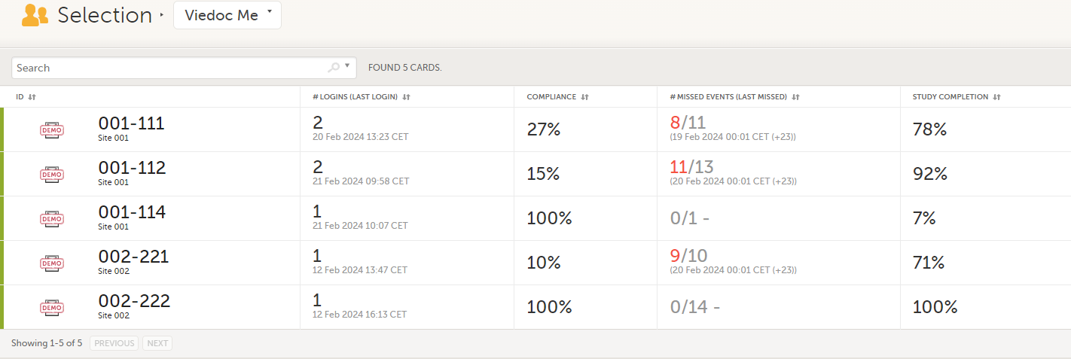

 | Subject Id | Event name | Event status | Proposed date | Initiated by | Initiated date (UTC) | First ViedocMe Event
 | 001-111 | Day 1 eDiary | Initiated | 2024-02-10 | Subject (0) | 2024-02-12 12:34 | Next ViedocMe Event
 | 001-111 | Day 3 eDiary | Initiated | 2024-02-12 | Subject (0) | 2024-02-12 12:39 | Dates Not Completed
 | 001-111 | Day 11 eDiary | Initiated | 2024-02-20 | Subject (0) | 2024-02-20 12:24 | Upcoming Events
 | 001-111 | Day 2 eDiary | Proposed | 2024-02-11
 | 001-111 | Day 4 eDiary | Proposed | 2024-02-13 |  |  | Note: This test was performed on 21 Feb 2024.
Data export of event dates (filtered on ViedocMe events) | 001-111 | Day 5 eDiary | Proposed | 2024-02-14
Site name | 001-111 | Day 6 eDiary | Proposed | 2024-02-15
Site 001 | 001-111 | Day 7 eDiary | Proposed | 2024-02-16
Site 001 | 001-111 | Day 8 eDiary | Proposed | 2024-02-17
Site 001 | 001-111 | Day 9 eDiary | Proposed | 2024-02-18
Site 001 | 001-111 | Day 10 eDiary | Proposed | 2024-02-19
Site 001 | 001-111 | Day 12 eDiary | Proposed | 2024-02-21
Site 001 | 001-111 | Day 13 eDiary | Proposed | 2024-02-22
Site 001 | 001-111 | Day 14 eDiary | Proposed | 2024-02-23
Site 001 | 001-112 | Day 4 eDiary | Initiated | 2024-02-12 | Subject (0) | 2024-02-12 12:45
Site 001 | 001-112 | Day 13 eDiary | Initiated | 2024-02-21 | Subject (0) | 2024-02-21 08:59
Site 001 | 001-112 | Day 1 eDiary | Proposed | 2024-02-09
Site 001 | 001-112 | Day 2 eDiary | Proposed | 2024-02-10
Site 001 | 001-112 | Day 3 eDiary | Proposed | 2024-02-11
Site 001 | 001-112 | Day 5 eDiary | Proposed | 2024-02-13
Site 001 | 001-112 | Day 6 eDiary | Proposed | 2024-02-14
Site 001 | 001-112 | Day 7 eDiary | Proposed | 2024-02-15
Site 001 | 001-112 | Day 8 eDiary | Proposed | 2024-02-16
Site 001 | 001-112 | Day 9 eDiary | Proposed | 2024-02-17
Site 001 | 001-112 | Day 10 eDiary | Proposed | 2024-02-18
Site 001 | 001-112 | Day 11 eDiary | Proposed | 2024-02-19
Site 001 | 001-112 | Day 12 eDiary | Proposed | 2024-02-20
Site 001 | 001-112 | Day 14 eDiary | Proposed | 2024-02-22
Site 001 | 001-114 | Day 1 eDiary | Initiated | 2024-02-21 | Subject (0) | 2024-02-21 09:08
Site 001 | 001-114 | Day 2 eDiary | Proposed | 2024-02-22
Site 001 | 001-114 | Day 3 eDiary | Proposed | 2024-02-23
Site 001 | 001-114 | Day 4 eDiary | Proposed | 2024-02-24
Site 001 | 001-114 | Day 5 eDiary | Proposed | 2024-02-25
Site 001 | 001-114 | Day 6 eDiary | Proposed | 2024-02-26
Site 001 | 001-114 | Day 7 eDiary | Proposed | 2024-02-27
Site 001 | 001-114 | Day 8 eDiary | Proposed | 2024-02-28
Site 001 | 001-114 | Day 9 eDiary | Proposed | 2024-02-29
Site 001 | 001-114 | Day 10 eDiary | Proposed | 2024-03-01
Site 001 | 001-114 | Day 11 eDiary | Proposed | 2024-03-02
Site 001 | 001-114 | Day 12 eDiary | Proposed | 2024-03-03
Site 001 | 001-114 | Day 13 eDiary | Proposed | 2024-03-04
Site 001 | 001-114 | Day 14 eDiary | Proposed | 2024-03-05
Site 001 | 002-221 | Day 2 eDiary | Initiated | 2024-02-12 | Subject (0) | 2024-02-12 12:48
Site 001 | 002-221 | Day 1 eDiary | Proposed | 2024-02-11
Site 001 | 002-221 | Day 3 eDiary | Proposed | 2024-02-13
Site 001 | 002-221 | Day 4 eDiary | Proposed | 2024-02-14
Site 001 | 002-221 | Day 5 eDiary | Proposed | 2024-02-15
Site 001 | 002-221 | Day 6 eDiary | Proposed | 2024-02-16
Site 001 | 002-221 | Day 7 eDiary | Proposed | 2024-02-17
Site 002 | 002-221 | Day 8 eDiary | Proposed | 2024-02-18
Site 002 | 002-221 | Day 9 eDiary | Proposed | 2024-02-19
Site 002 | 002-221 | Day 10 eDiary | Proposed | 2024-02-20
Site 002 | 002-221 | Day 11 eDiary | Proposed | 2024-02-21
Site 002 | 002-221 | Day 12 eDiary | Proposed | 2024-02-22
Site 002 | 002-221 | Day 13 eDiary | Proposed | 2024-02-23
Site 002 | 002-221 | Day 14 eDiary | Proposed | 2024-02-24
Site 002 | 002-222 | Day 1 eDiary | Initiated | 2024-01-30 | Subject (0) | 2024-02-12 15:14
Site 002 | 002-222 | Day 2 eDiary | Initiated | 2024-01-31 | Subject (0) | 2024-02-12 15:15
Site 002 | 002-222 | Day 3 eDiary | Initiated | 2024-02-01 | Subject (0) | 2024-02-12 15:15
Site 002 | 002-222 | Day 4 eDiary | Initiated | 2024-02-02 | Subject (0) | 2024-02-12 15:16
Site 002 | 002-222 | Day 5 eDiary | Initiated | 2024-02-03 | Subject (0) | 2024-02-12 15:17
Site 002 | 002-222 | Day 6 eDiary | Initiated | 2024-02-04 | Subject (0) | 2024-02-12 15:18
Site 002 | 002-222 | Day 7 eDiary | Initiated | 2024-02-05 | Subject (0) | 2024-02-12 15:18
Site 002 | 002-222 | Day 8 eDiary | Initiated | 2024-02-06 | Subject (0) | 2024-02-12 15:19
Site 002 | 002-222 | Day 9 eDiary | Initiated | 2024-02-07 | Subject (0) | 2024-02-12 15:20
Site 002 | 002-222 | Day 10 eDiary | Initiated | 2024-02-08 | Subject (0) | 2024-02-12 15:21
Site 002 | 002-222 | Day 11 eDiary | Initiated | 2024-02-09 | Subject (0) | 2024-02-12 15:22
Site 002 | 002-222 | Day 12 eDiary | Initiated | 2024-02-10 | Subject (0) | 2024-02-12 15:23
Site 002 | 002-222 | Day 13 eDiary | Initiated | 2024-02-11 | Subject (0) | 2024-02-12 15:24
Site 002 | 002-222 | Day 14 eDiary | Initiated | 2024-02-12 | Subject (0) | 2024-02-12 15:24
Site 002
Site 002
Site 002
Site 002
Site 002
Site 002
Site 002

